Sheet1
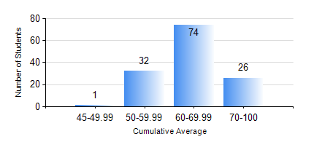
 |  |  | KWAME NKRUMAH UNIVERSITY OF SCIENCE AND TECHNOLOGY, KUMASI Department of Geomatic Engineering

 |  |  | BSC. GEOMATIC ENG.

 |  |  | COMPREHENSIVE RECORD OF EXAMINATION RESULTS

 |  |  | RESULTS OF YEAR 2 SECOND SEMESTER, 2019/2020 ACADEMIC YEAR

 | Sn | Course Code |  | Course Name | Credit Hours | Min. Mark | Max. Mark | Avg. Mark | Std. Dev. | No. Passed | No. Trailed | No. (Df) | No. (I) | No. (I*) | No. Tagged(I,I*,Df) | Total
 | 0. |  |  |  |  |  |  | 0 | 0 | 0 | 0 | 0 | 0 | 0 | 0 | 3
 | 1. | CE 260 |  | SOIL AND ROCK MECHANICS | 3 | 50 | 83 | 66 | 7.54 | 127 | 0 | 0 | 3 | 0 | 3 | 130
 | 2. | ENGL 264 |  | LITERATURE IN ENGLISH II | 1 | 50 | 78 | 58 | 6.65 | 125 | 0 | 0 | 5 | 0 | 5 | 130
 | 3. | GE 262 |  | REMOTE SENSING I | 3 | 50 | 88 | 69 | 9.3 | 126 | 0 | 0 | 4 | 0 | 4 | 130
 | 4. | GE 272 |  | ENGINEERING SURVEY II | 3 | 40 | 80 | 64 | 12.19 | 127 | 0 | 0 | 3 | 0 | 3 | 130
 | 5. | GE 284 |  | HYDROGRAPHIC SURVEYING | 3 | 65 | 85 | 73 | 5.58 | 129 | 0 | 0 | 1 | 0 | 1 | 130
 | 6. | GE 292 |  | SURVEY CAMP/PRACTICAL TASK II | 3 | 50 | 85 | 68 | 6.13 | 128 | 0 | 0 | 2 | 0 | 2 | 130
 | 7. | MATH 252 |  | ANALYSIS IV | 4 | 40 | 89 | 68 | 13.27 | 120 | 0 | 0 | 10 | 0 | 10 | 130

